Problem 74
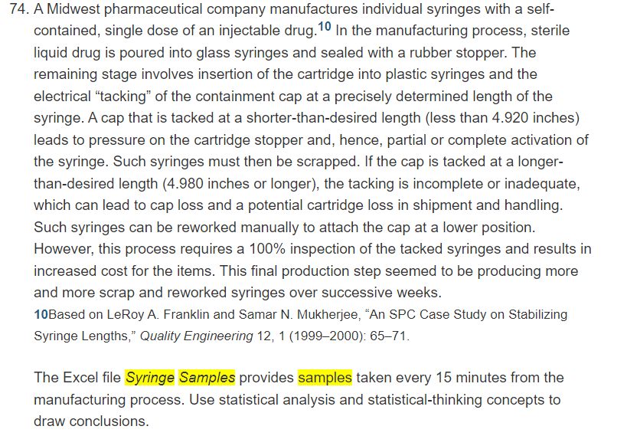
Syringe Samples

Sample | Sample Observations |  |  |  |  | AVG | LCL | UCL
Sample 1 | 4.9600 | 4.9460 | 4.9500 | 4.9560 | 4.9580 | 4.9540 | 4.93552 | 4.98075 | Estimate for sample mean | 4.9581
Sample 2 | 4.9580 | 4.9270 | 4.9350 | 4.9400 | 4.9500 | 4.9420 | 4.93552 | 4.98075 | Estimate for sample S.D | 0.0075391044056
Sample 3 | 4.9710 | 4.9290 | 4.9650 | 4.9520 | 4.9380 | 4.9510 | 4.93552 | 4.98075
Sample 4 | 4.9400 | 4.9820 | 4.9700 | 4.9530 | 4.9600 | 4.9610 | 4.93552 | 4.98075
Sample 5 | 4.9640 | 4.9500 | 4.9530 | 4.9620 | 4.9560 | 4.9570 | 4.93552 | 4.98075
Sample 6 | 4.9690 | 4.9510 | 4.9550 | 4.9660 | 4.9540 | 4.9590 | 4.93552 | 4.98075 |  | 4.9355160201
Sample 7 | 4.9600 | 4.9440 | 4.9570 | 4.9480 | 4.9510 | 4.9520 | 4.93552 | 4.98075 |  | 4.9807506466
Sample 8 | 4.9690 | 4.9490 | 4.9630 | 4.9520 | 4.9620 | 4.9590 | 4.93552 | 4.98075
Sample 9 | 4.9840 | 4.9280 | 4.9600 | 4.9430 | 4.9550 | 4.9540 | 4.93552 | 4.98075
Sample 10 | 4.9700 | 4.9340 | 4.9610 | 4.9400 | 4.9650 | 4.9540 | 4.93552 | 4.98075
Sample 11 | 4.9750 | 4.9590 | 4.9620 | 4.9710 | 4.9680 | 4.9670 | 4.93552 | 4.98075
Sample 12 | 4.9450 | 4.9770 | 4.9500 | 4.9690 | 4.9540 | 4.9590 | 4.93552 | 4.98075
Sample 13 | 4.9760 | 4.9640 | 4.9700 | 4.9680 | 4.9720 | 4.9700 | 4.93552 | 4.98075
Sample 14 | 4.9700 | 4.9540 | 4.9640 | 4.9590 | 4.9680 | 4.9630 | 4.93552 | 4.98075
Sample 15 | 4.9820 | 4.9620 | 4.9680 | 4.9750 | 4.9630 | 4.9700 | 4.93552 | 4.98075

 |  |  |  |  | No sample lies outside the control limits.
 |  |  |  |  | There is a sudden large shift from the sample No.2
 |  |  |  |  | And samples from 11 to 15 show slower shifts
 |  |  |  |  | from the upward trend. Which is why this process
 |  |  |  |  | may require further inspection to detect the production
 |  |  |  |  | of scrap and reworked syringes, since the small
 |  |  |  |  | deviations may indicate a chance that the process
 |  |  |  |  | may get out of control.

